1. Title Page
[Project Name]

Project Name: Instacart: Insights for a Prosperous Path Forward
Date: 12/5/2023
Analyst Name: Jason Kotranski

Contents:
Population Flow
Consistency checks
Wrangling steps
Column derivations
Visualizations
Recommendations

2. Population Flow
Title page

Population flow

Exclusion flag
Condition: max_order <
Obervations to be removed:
Final total count of order_products_all:

Orders_products_combined
Orders_products_merged
Orders_products_all

Total:
Total:
Total:

1.) The grey boxes in the first row of the population flow represent the original data sets as they were when you downloaded them. In the Total fields you need to add the count of the rows when you imported the data set into Jupyter.
2.) The second row of boxes (coloured) represents the data sets after you manipulated them, e.g., removed missing values and duplicates. In the Total fields you need to add the count of the rows after conducting these operations. This offers a visual oveview of how the data flows throughout the data consistency checks.
3.) The third row, where also the arrows are coloured, represents the merges you performed between the datasets. In the Total fields you need to add the count of the rows in the merged datasets, so that you end up with the final dataset (in the red box). Keep in mind the final dataset should be without exclusions (based on the exclusion flag).

3. Consistency checks
 |  |  |  | Title page
Consistency checks

Dataset | Missing values | Missing values treatment | Duplicates
orders | 206209 | Kept Them
products
orders_products_prior | none | n/a | none
customers | none | n/a | none

4. Wrangling steps
 |  |  |  | Title page
Wrangling steps

Columns dropped | Columns renamed | Columns' type changed | Comment/Reason
First Name | I kept it |  | Personal Idenifiable Information
Surnam | I kept it |  | Personal Idenifiable Information

5. Column derivations
 |  |  |  | Title page

Column derivations and aggregations

In this tab you should add tables below that the frequences of flags/label variables that you produced after deriving them. NB: don't do this for continuous variables, only for flags.
Dataset | New column | Column/s it was derived from | Conditions
df_ordsprodscustmerged | Loyalty Flag | order_id
df_ordsprodscustmerged | Spending Flag | prices

6. Visualizations
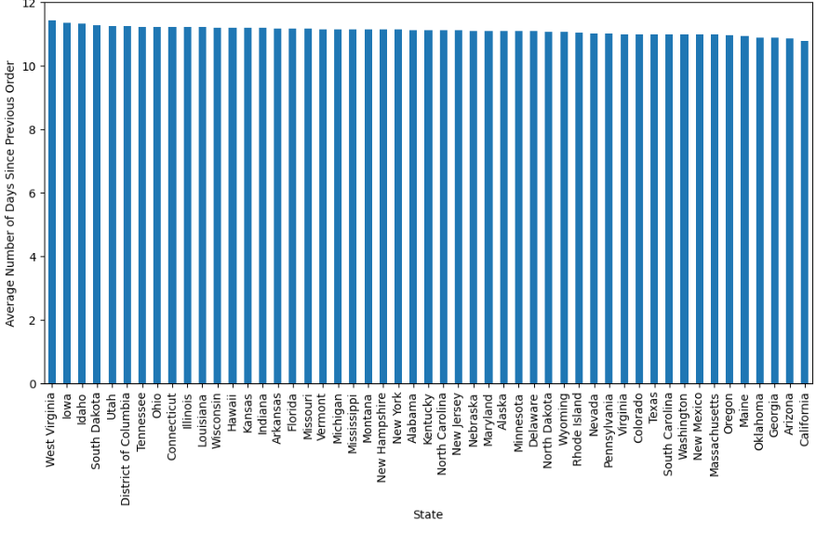
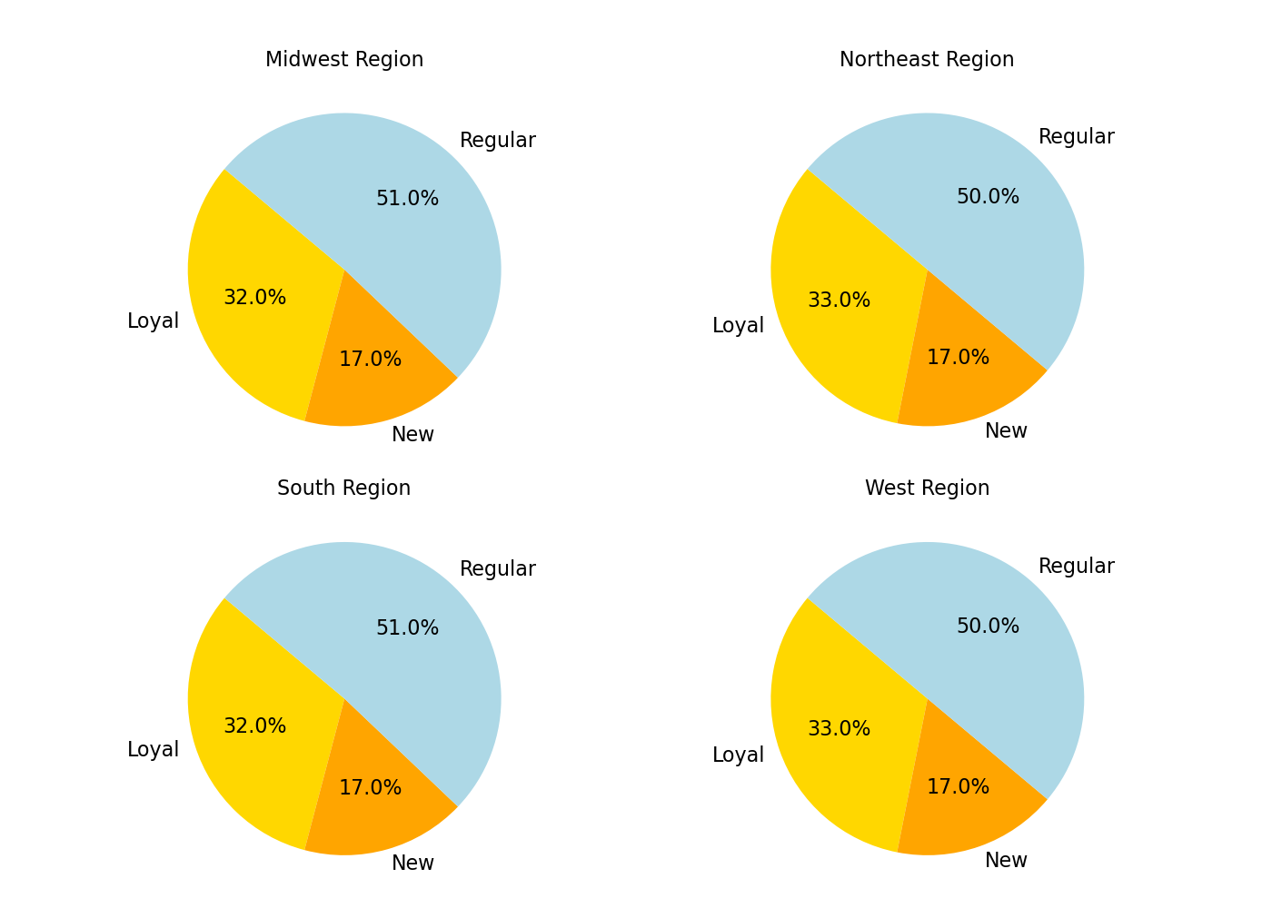
Visualisations

In this tab you should include all the visualtions from Exercises 4.9 and 4.10, alongside the questions from the project brief that they answer. Include any commentary on the relationship between different variables.

How does the average price paid per item change throughout the week? 0= Saturday and 6=Friday
What are the busiest and least busy days of the week in terms of number of orders?
Which type of customers are the most frequently occuring, regular customers, loyal customers, or new customers?


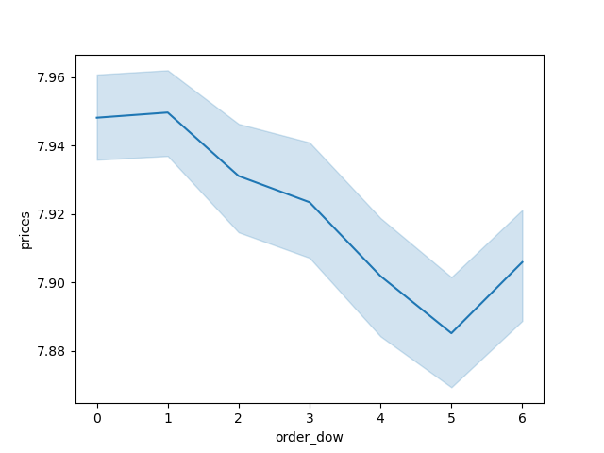

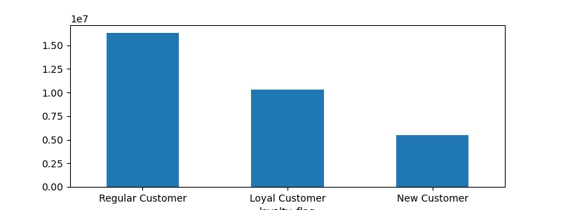

When do the average prices paid by customers peak and when are they the lowest?

How are the number of products sold different by customer loyalty status and department number?
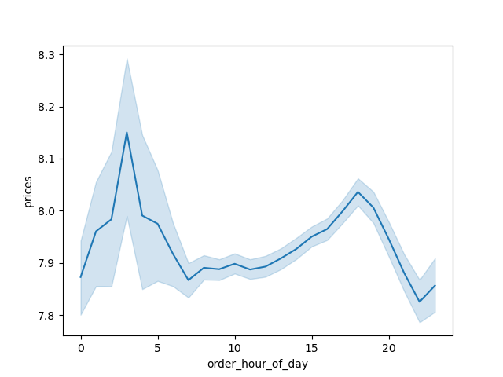
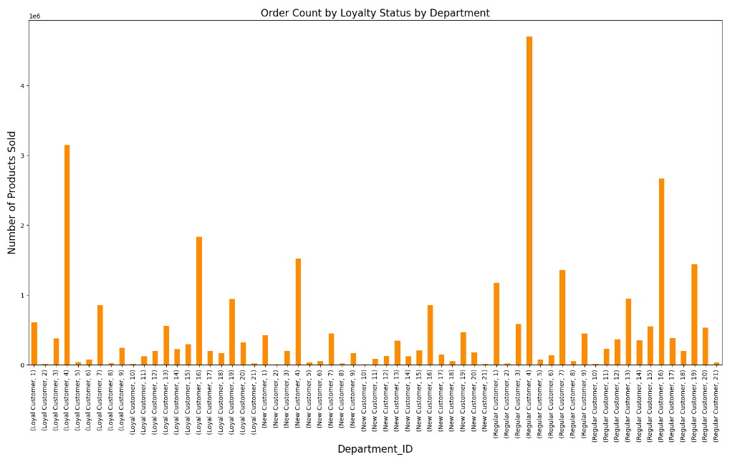
How do the total number of orders vary by hour during the day?
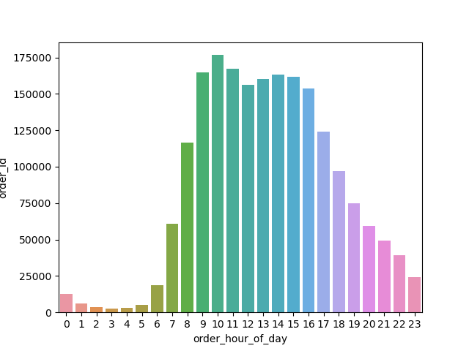

Which states have customers that, on average, wait the longest and the shortest amount of time between placing orders?
What is the breakdown in customer loyalty by Region of the USA? Which regions have a higher percentage of loyal customers vs. regular customers vs. new customers?

7. Recommendations
 |  | Title page

Recommendations

In this tab you should include any recommendations you would made to Instcart in terms of their marketing strategy based on the questions posed in the brief. Every key question has been covered in the Tasks of the Exercises - here you need to add an item - a visualisation or table/crosstable that is showing the answer in the data, acompanied by a comment from you. Please, list the questions below and add the answer underneath.

Question | Answer
Which departments are loyal, regular, and new customers shopping in the most | Regular, loyal, and new customers are all shopping in Aisles 4,16, 19, and 7 are the aisles where customers shop the most. Aisle 1 makes up less of the total market basket than for regular and new customers. Target Loyal Customers with a promotion for products in Aisle 1.
Which days do customers spend the least amount of money? | Customers spend the least amount of money per item on Friday. Consider lowering the price of a few core items (loss leaders) to attract customers into the store)
Of which loyalty status does Instacart have the most customers? | New customers make up 8-10% of Instacart's customer base. Consider a promotional campaign that features the habits of wealthy people. Consider advertising on luxury brand sites/channels
Which days of the week are the busiest and least busy? | The least busy days of the week are Tuesdays and Wednesdays. Consider checking the competition's busiest and least busy days. As advised before, consider having a seafood, meat or other sale during those 2 days. Saturdays and Sundays have the most orders.
Which states have customers that, on average, wait the longest and the shortest amount of time between placing orders? | West Virginia, Iowa, and Idaho customers wait the longest between placing orders and California, Arizona, and Georgia customers have the shortest time in between orders.
Which regions have a higher percentage of loyal customers vs. regular customers vs. new customers? | All 3 regions have virtually the same percentage of the 3 categories. Marketing resources do not need to be changed across regions to help a certain region reach more customers and grow the % of loyal customers.
How are the number of products sold different by customer loyalty status and department number? | Aisle 4 makes up a higher percentage of purchases for Loyal Customers than the other statuses. Consider understanding the reasoning behind this and implementing an app based loyalty rewards program that gives rewards to certain loyalty status customers for certain departments (ex. Loyal in 4).

